Sheet1
Test Case ID | Test Scenario | Test Steps | Test Data | Expected Result | Actual Result | Status (Pass/Fail) | Screenshot
TC_01 | View Order History | Login → My Orders | Valid User Credentials | Order history page should display previous orders | As Expected | Pass | 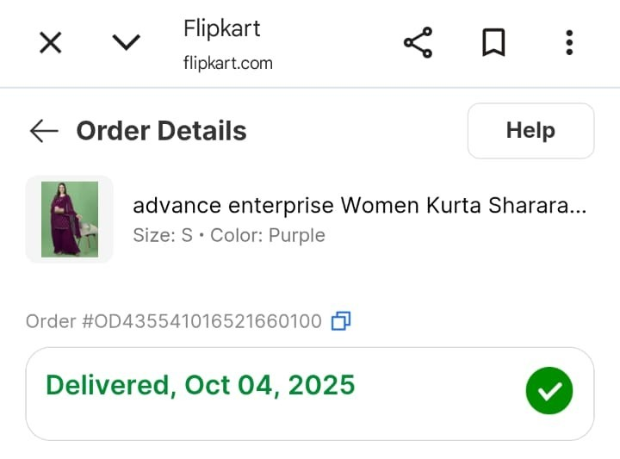
TC_02 | View Order Details | Login → My Orders → Click an order | Existing Order | Selected order details should be displayed | As Expected | Pass | 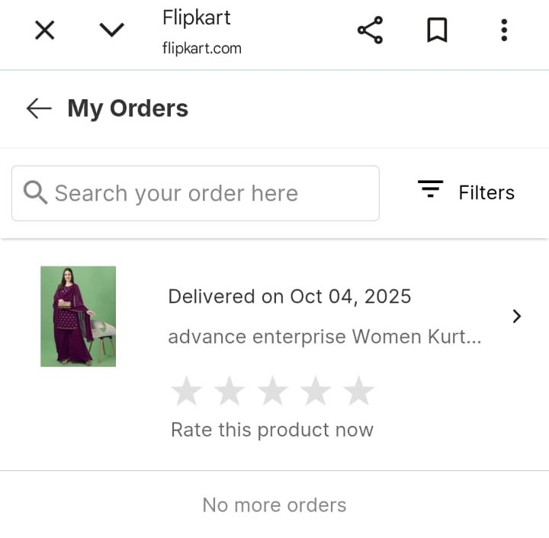
TC_03 | Download Invoice | Login → My Orders → Select Order → Download Invoice | Valid Order | Invoice should download successfully | As Expected | Pass | 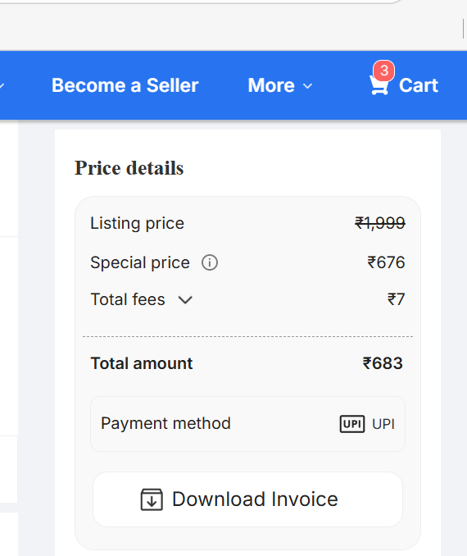
TC_04 | Cancel Order | Login → My Orders → Select eligible order → Cancel | Cancelable Order | Order should be cancelled successfully | As Expected | Pass | 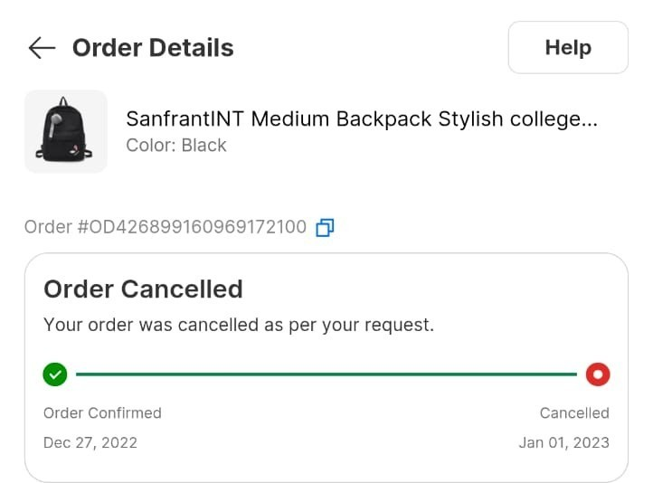
TC_05 | Update Profile Name | Login → Profile → Edit Name → Save | Valid Name | Profile name should update successfully | As Expected | Pass | 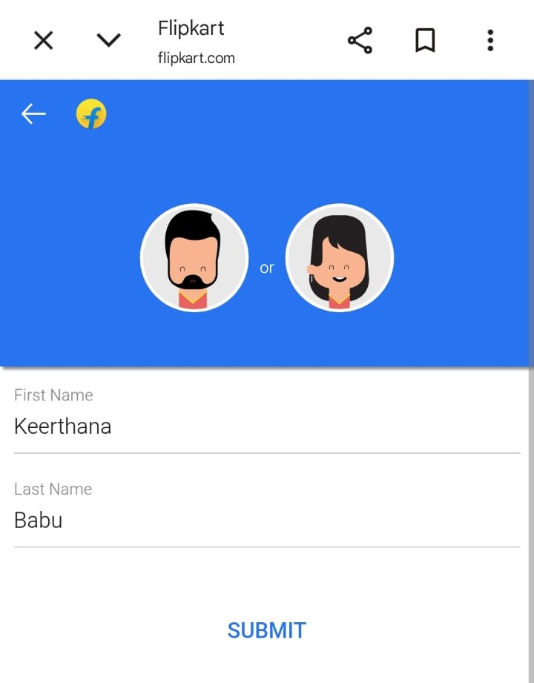
TC_06 | Update Email | Login → Profile → Edit Email → Verify OTP | Valid Email | Email should update after verification | As Expected | Pass | 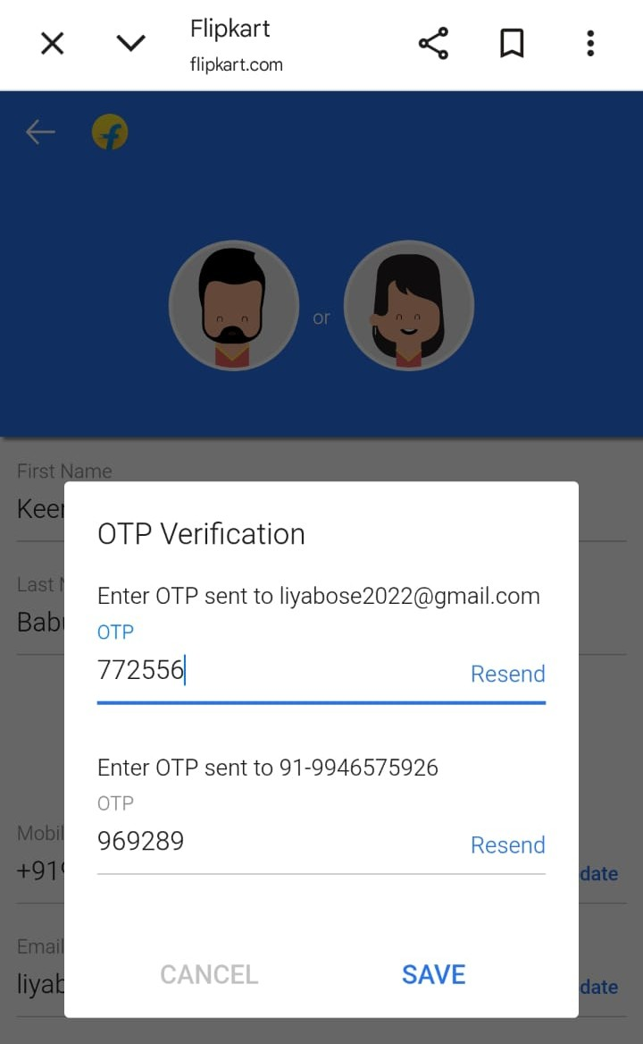
TC_07 | Update Mobile Number | Login → Profile → Edit Mobile → Verify OTP | Valid Mobile Number | Mobile number should update successfully | As Expected | Pass
TC_08 | Add New Address | Login → Manage Addresses → Add Address → Save | Valid Address Details | New address should be added successfully | As Expected | Pass | 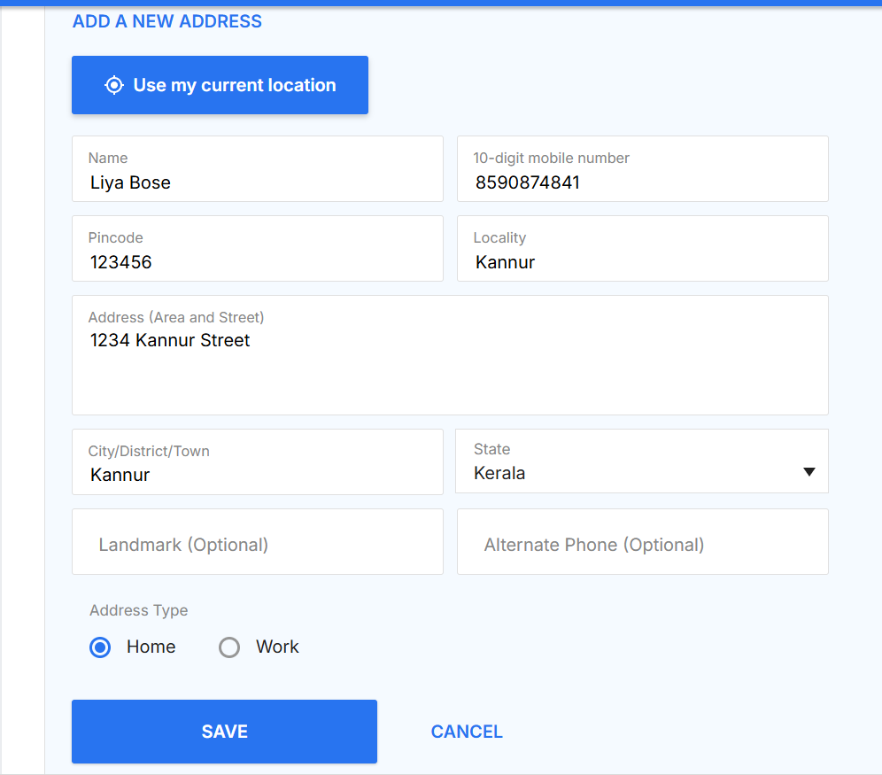
TC_09 | Edit Address | Login → Manage Addresses → Edit → Save | Updated Address Details | Address should update successfully | As Expected | Pass | 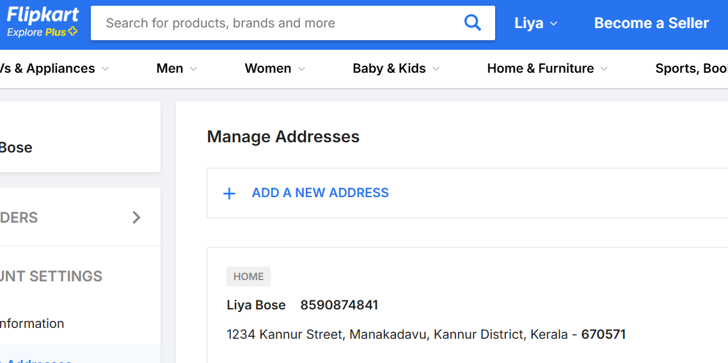
TC_10 | Delete Address | Login → Manage Addresses → Delete | Existing Address | Address should be removed from list | As Expected | Pass | 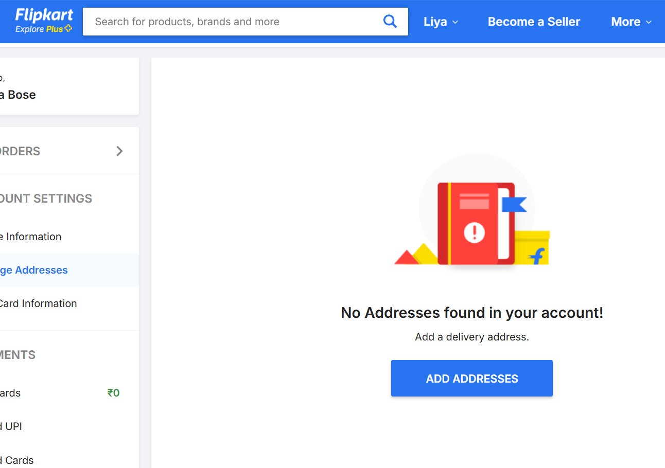
TC_11 | Access Order History without Login | Open My Orders without login | No Login Session | User should be redirected to Login page | As Expected | Pass | 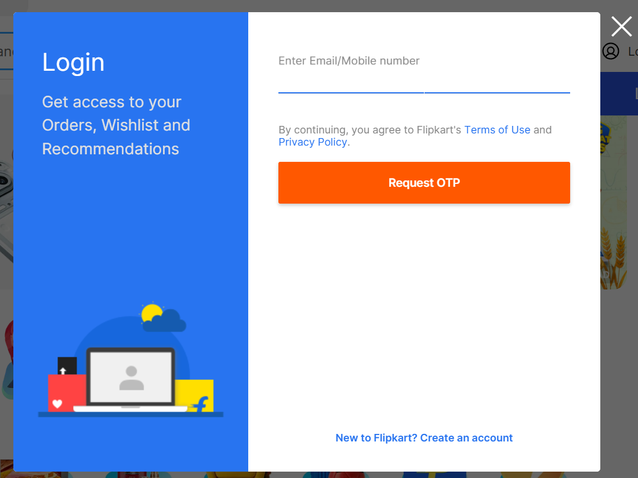
TC_12 | Cancel Delivered Order | Login → My Orders → Select delivered order → Cancel | Delivered Order | Cancellation should not be allowed | As Expected | Pass | 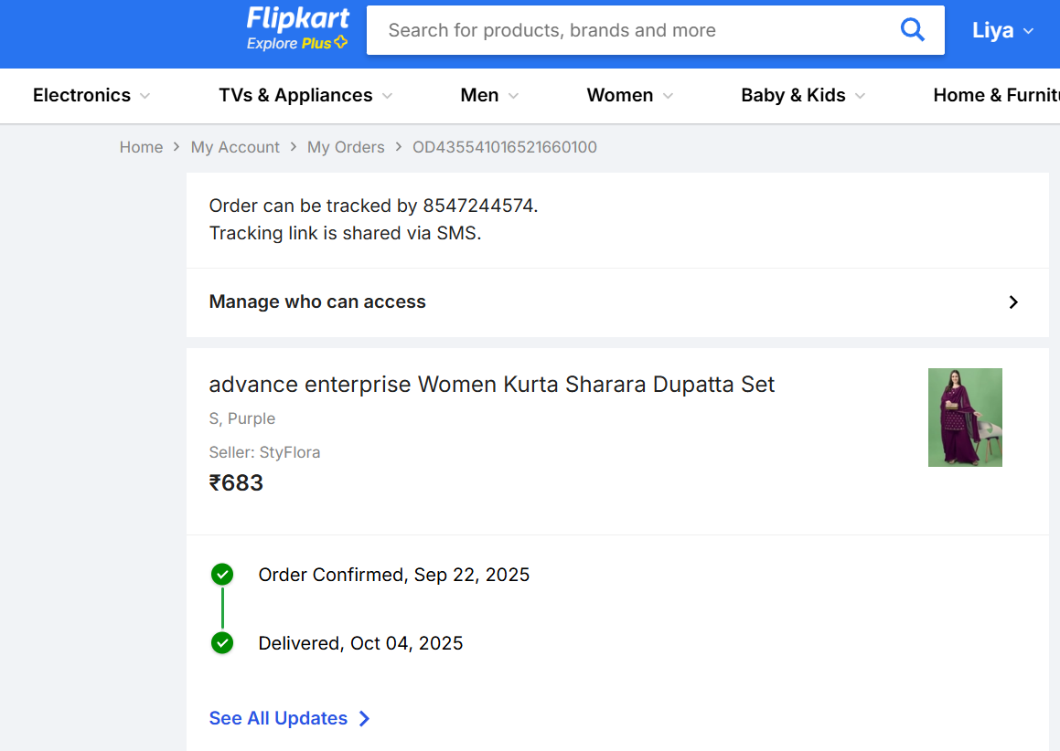
TC_13 | Update Profile with Invalid Email | Login → Edit Email → Enter invalid email → Save | abc@ | Error message should be displayed | As Expected | Pass | 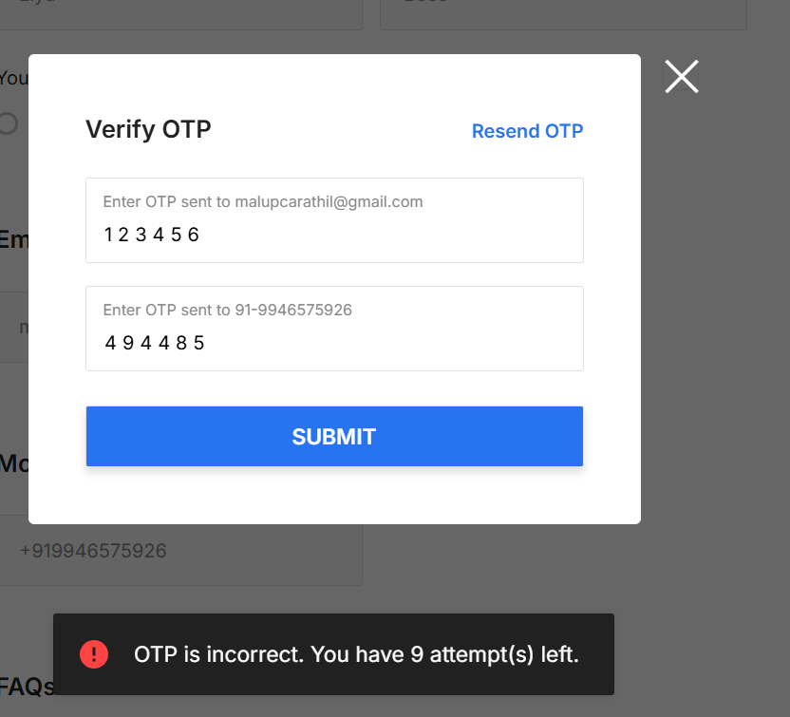
TC_14 | Add Address with Empty Fields | Login → Add Address → Leave mandatory fields blank → Save | Blank Fields | Validation errors should be displayed | As Expected | Pass | 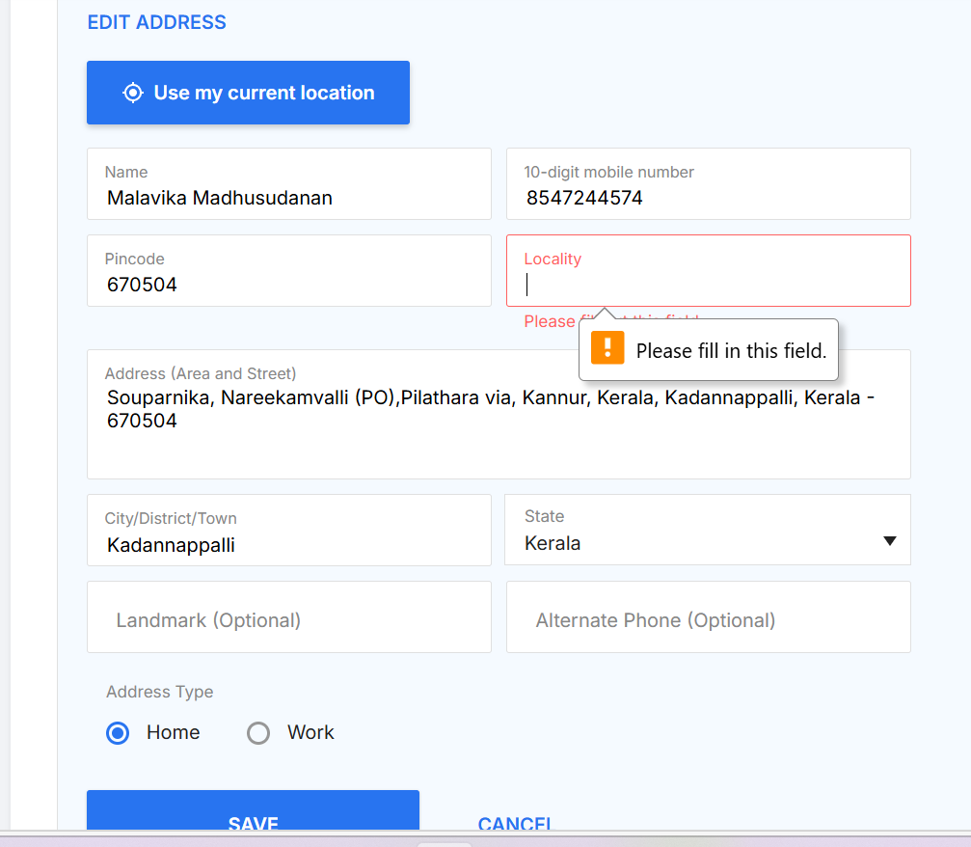
TC_15 | Invalid OTP Verification | Login → Edit Mobile → Enter wrong OTP | 123456 | OTP verification should fail | As Expected | Pass | 